How to
Step 1: Go into Common Logon AYP/AZLEARNS Application and obtain the Grad Rate Cohort Report for each cohort used. See Figure A.
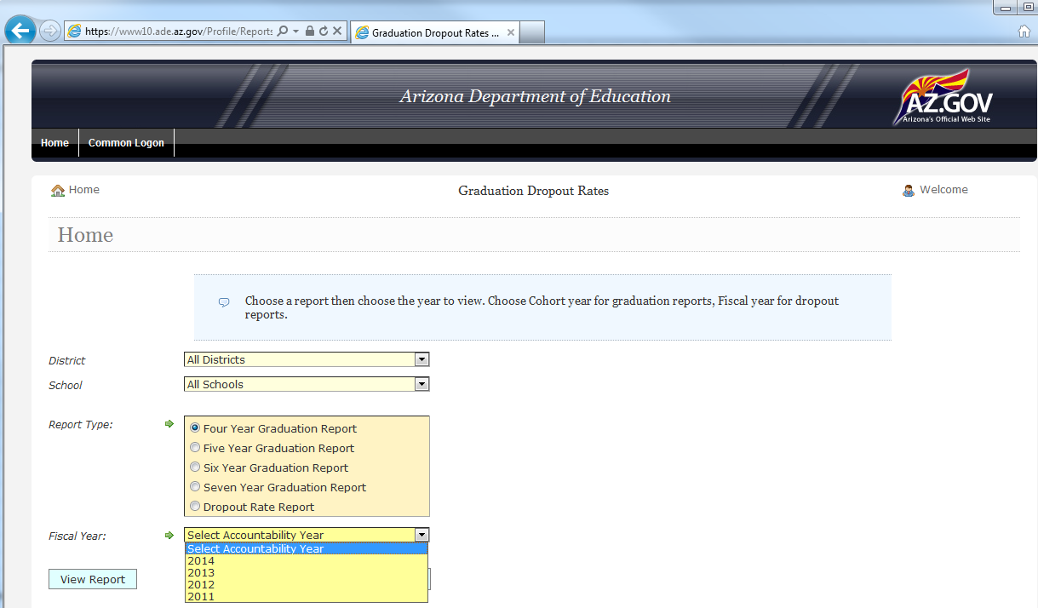
 |  | Disclaimer: This resource is provided only for technical assistance purposes. These data do not reflect final accountability determinations given by ADE.

Figure A

Step 2: Enter rates in spreadsheet on tab 3
Step 3: Access the 2013 A-F Achievement Profile for your school. See Figure B.
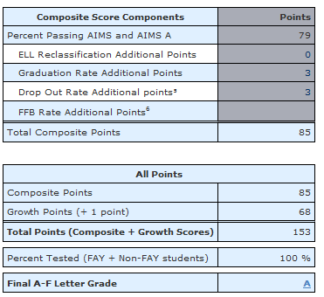

 | Figure B

Step 4: Enter points received in each applicable cell.
Pleae DO NOT fill the cells that are highlighted.

