Instructions
INSTRUCTIONS:

Directions for Completing the Comprehensive Needs Assessment Tool
See CNA and IAP Guidance Document
This Comprehensive Needs Assessment Tool will determine your School's program strengths and identify the most significant needs. Follow the CNA and IAP Guidance Document guidlines to complete the full process of identifying the school's primary needs, root causes and primary needs statements and move into the Integrated Action Plan writing process to achieve the Desired Outcomes by eradicating the root cause/s of those needs.
ADE has provided an Effective Schools framework for you to use to make this determinations. This framework has 6 Principles. Each Principle has several Indicators and each Indicator has several Elements that further define best practices. You can remember this framework using the acronym "PIE".
Directions for the CNA Tool itself
1. Access the Comprehensive Needs Assessment Library from the Arizona Department of Education website, The Comprehensive Needs Assessment and Integrated Action Plan webpage.
2. Open the CNA Tool file and save to your computer desktop.
3. Open and print the CNA Rubric and distribut to appropriate teams or work goups to use in the discussions, data analysis and determination of the current state for each element. Once all Principles are complete, scores can be entered in the tool itself.
4. To complete the CNA process, consider every indicator for each Principle. Assess your school’s current state on each Element, rating each one on a scale of 0 to 3. You will use many sources of evidence to determine your current state.
5. Once the ratings have been completed, transfer the ratings to the CNA Tool
a. Your Indicator average scores (0 to 3) calculate on each Principle sheet as you work.
b. Check the evidence used from the suggested evidence list. Add additional evidence in notes, if applicable.
c. The "Data Summary" at the bottom of each Principle sheet, you will find the Highest and Lowest scoring indicators noted.
d. Analyze your ratings for each Element and Indicator for each Principle, describe any trends or patterns.
e. Determine possible primary needs for each Principle.
6. Final Summary: After you have completed each of the 6 Principles, go to the Final Summary sheet. Data from each Principle sheet is loaded into the Final Summary sheet automatically.
a. Analyze data from all Principles, as well as, quantitative leading and lagging indicator data (see below)
b. Determine the three or four critical Primary Needs.
7. Complete thorough Root Cause Anaysis for each Primary Need using the Fishbone diagram.
8. Write Need Statements
9. Upload total CNA to ALEAT, including root cause analysis documentation.
Leading and Lagging Indicator Quantitative Data are required
Data Tabs contain optional templates for leading and lagging indicators. These templates may be used or you can gather this data in whatever format your LEA and school use (see Guidance Document for Leading andLagging Indicators explanation and guiding questions)
Consider for all students as well as the different subgroups.
Lagging Indicators: percentage of students at or above each proficiency level on State assessments in reading/language arts and mathematics, Percentage of limited English proficient students who attain English language proficiency, Graduation rate.
Leading Indicators: Dropout rate, Student attendance, Discipline incidents Truancy, Teacher attendance rate, Teacher attrition rate, Teacher certification.
Note: These are the primary Leading and Lagging Indicators in the research. There are others you may want to consider depending on your context.

Fishbone Diagram
 | Fishbone Diagram

Add category
Add Category
Add category

Add possible causes

Add Primary Need
Need Statement

Add category
Add Category
Add category

Desired Outcome

See guidance for instructions

5 Whys
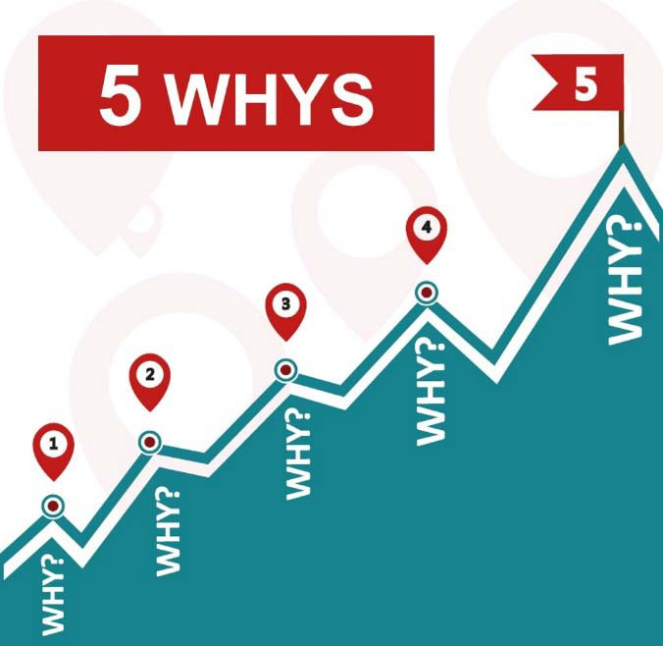

Ask probing questions whenever a cause is identified (Why do we think this is a cause? Where is the evidence to support this?).
This will assist participants in peeling back the layers to get to the root cause.
It is easy for the conversation to become negative or hopeless.
Ask questions and provide feedback so the focus is on “actionable” causes.
Finally, facilitate the process of prioritizing the causes in each area.

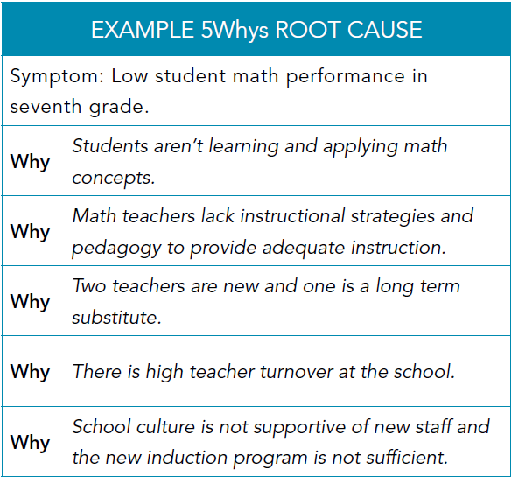

5 Whys


Primary Need

Need Statement

Desired Outcome

See guidance for instructions

