Sheet1
Budget Builder for Renewing Operators of the Child and Adult Care Food Program

Important Concepts:

Receiving Reimbursement: Operators of the CACFP receive federal monies. The amount received is based on the number of creditable meals served and who these meals have been served to. These two factors are tracked using meal counts and enrollment documentation. Figures are then reported to ADE on a monthly site claim, which is processed for payment.

Expending/Spending Reimbursement: Reimbursement received for meals served must be spent on allowable, program-related expenses. Per regulation, program operators must operate a nonprofit food service program, meaning all reimbursement received is expended on reasonable, allowable program expenses, with no more than 15% spent on administrative expenses. In addition, ADE requires at least 50% of your reimbursement be spent on food. Don't forget! The cost or amount of expenses does not impact the amount of reimbursement received.

Budgeting, Tracking, and Reporting Expenses: Prior to receiving approval to operate, CACFP applicants must submit a budget forecasting the amount of reimbursement that will likely be received and how that reimbursement will be spent. Budget figures do not impact reimbursement, but rather communicate how you plan to spend reimbursement when it is received. Once approved, sponsors submit monthly claims. The number of meals served to participants are reported in a monthly site claim, which results in reimbursement. The program-related expenses incurred are reported in a monthly sponsor claim. In order to receive the correct amount of reimbursement and remain in expense reporting compliance, it is imperative to maintain records and claims that are free of error.

What information is needed to build a budget?

All of the information needed to create your budget can be found on the CNPWeb claims page. To gather this information, load the claims page for the most recent claim submitted. Print a copy of your sponsor claim. Then, return back to the claims index page and select Payment Summary and record the program year total reimbursement.

New Sponsor? Collect food and supplies receipts accumulated since participating in the CACFP. Review ADE's Allowable Expenses in the CACFP resource online at www.azed.gov/hns/cacfp/cacfpresources under the Purchasing/Procurement accordion. Then, use the calculator for new sponsors.

Now, let's build a budget!

Reasonable Budget Range Calculator

 | How many months did you successfully submit a sponsor claim this fiscal year? |  |  |  |  |  | Months
 | A successfully submitted sponsor claim is in Completed status. Be sure to double check! If you input the incorrect number of months, this calculator won't be accurate.

 |  | Now, let's crunch some numbers.
 |  | Time to pull out your most recently submitted sponsor claim!
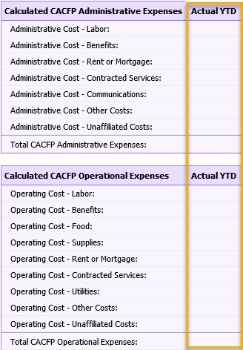 |  |  Using the figures under the Actual YTD column on the bottom of this claim and payment summary from the claims index page, complete the chart below and reasonable budget figures will be calculated.

Administrative Expenses |  |  | Actual YTD or Receipts/Invoices |  | Unless otherwise justified, budget figures should be between…
Labor: |  |  |  |  | #DIV/0! | - | #DIV/0!
Benefits: |  |  |  |  | #DIV/0! | - | #DIV/0!
Rent/Mortgage: |  |  |  |  | #DIV/0! | - | #DIV/0!
Contracted Services: |  |  |  |  | #DIV/0! | - | #DIV/0!
Communications: |  |  |  |  | #DIV/0! | - | #DIV/0!
Other Costs: |  |  |  |  | #DIV/0! | - | #DIV/0!
Unaffiliated Costs: |  |  |  |  | #DIV/0! | - | #DIV/0!

Operational Expenses |  |  | 0
Labor: |  |  |  |  | #DIV/0! | - | #DIV/0!
Benefits: |  |  |  |  | #DIV/0! | - | #DIV/0!
Food: |  |  |  |  | #DIV/0! | - | #DIV/0!
Supplies: |  |  |  |  | #DIV/0! | - | #DIV/0!
Rent/Mortgage: |  |  |  |  | #DIV/0! | - | #DIV/0!
Contracted Services: |  |  |  |  | #DIV/0! | - | #DIV/0!
Utilities: |  |  |  |  | #DIV/0! | - | #DIV/0!
Other Costs: |  |  |  |  | #DIV/0! | - | #DIV/0!
Unaffiliated Costs: |  |  |  | 0 | #DIV/0! | - | #DIV/0!

 |  | Total Reimbursement from Last FY:
 |  |  |  |  | Total Projected Reimbursement for Upcoming FY should be b/n:
Projected CACFP Reimbursement for Upcoming FY: |  |  |  |  | #DIV/0! | - | #DIV/0!

Compliance check! Before using your reasonable budget range, check for planned compliance.
Administrative Expenses Below 15%? |  | #DIV/0!

Projected Food Costs > 50%? |  | #DIV/0!
Non-profit food service? |  | #DIV/0!

