Read Me
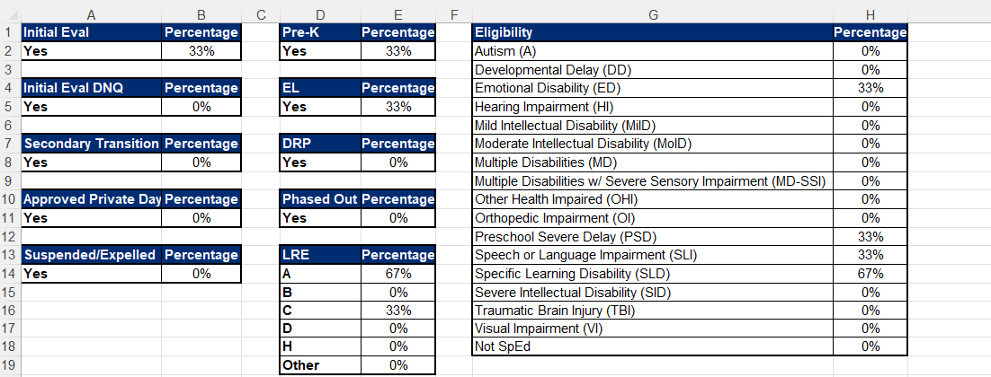
Student Selection List:
Fill out the PEA Name.
All columns that apply to the student should be filled out. If something does not apply, the column can be left blank.
The “Reviewed By” column should list the name of the individual who reviewed the file.

PEA Data Display
Review the overall percentages listed to ensure that the student selection list is representative of the overall special education student population.
Use the Selection Matrix tool as an additional resource to ensure that the selection is representative of the overall special education student population.

Student Selection List Sample

PEA Data Display Sample

