READ FIRST
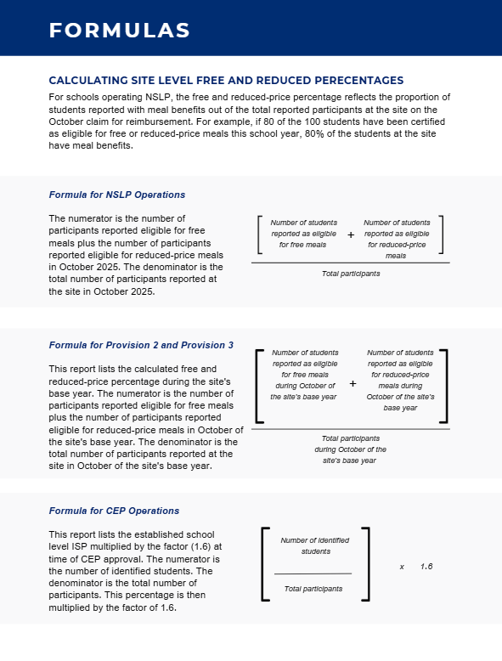
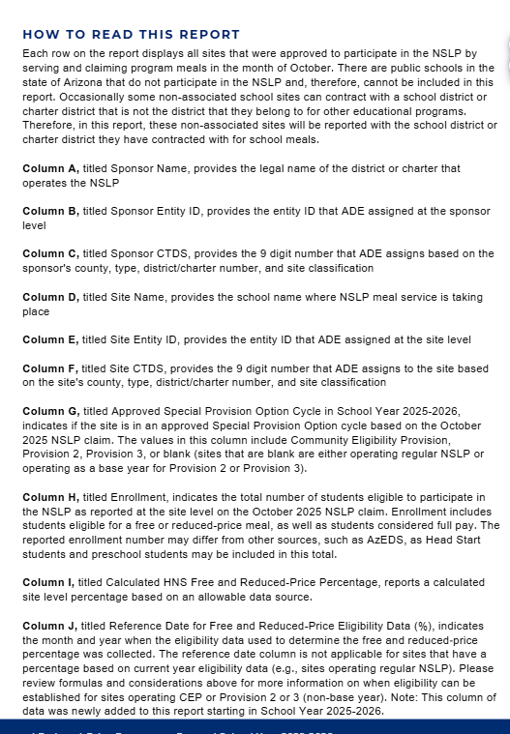
Understanding the Free and Reduced-Price Percentage Report
Please read the Free and Reduced-Price Percentage Report linked below for important details on the purpose, formulas, and considerations when reading these data, and how to read the report.
Link

